Header


Social and Affordable Housing Investment Tool
(Version 1.0)
User video to accompany SAHI Tool and Guidebook
https://sbenrc.com.au/research-programs/1-81/
Prepared March 2023

Acknowledgements
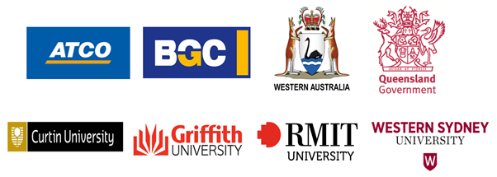
For further information:
Professor Sacha Reid Dr Judy A Kraatz
Griffith University Griffith University
s.reid@griffith.edu.au j.kraatz@griffith.edu.au

This research has been developed with funding and support provided by Australia’s Sustainable Built Environment National Research Centre (SBEnrc) and its partners.
Current Core Members of the SBEnrc include ATCO Australia, BGC Australia, Government of Western Australia, Queensland Government, Curtin University, Griffith University, RMIT University and Western Sydney University.

Tool Intro
SBEnrc 1.81 SOCIAL AND AFFORDABLE HOUSING INVESTMENT (SAHI) TOOL
Use in conjunction with the SAHI Tool Guidebook

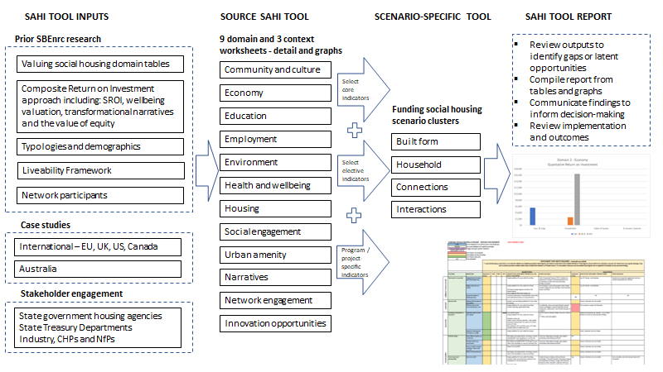

Current examples of cost benefit analysis (CBA,) social return on investment (SROI) and wellbeing valuation (WV) figures have been included from the available literature. These figures are provided as an indication of relative rather than an absolute return on investment (ROI).
CHP – Community housing provider
NfP – Not-for-profit
SBEnrc – Sustainable Built Environment National Research Centre, Australia

D2 Community Dashboard
COMMUNITY AND CULTURE $ Return on Investment |  |  |  | EXAMPLES ONLY
 | CBA | SROI | WV
Community and Culture | $0 | $0 | $33,815
Notes:
CBA – $ return per person, per year
SROI – $ return per person, per year
WV – $ benefit per person, per year

Community and Culture Impact Domain $ ROI

D2 Economy Dashboard
ECONOMY $ Return on Investment |  |  |  | EXAMPLES ONLY
 | CBA | SROI | WV
Govts & Organisations | $5,608 | $0 | $0
Households | $0 | $9,782 | $16,400
Value of Equity | $0 | $0 | $0
Economic Systems | $0 | $0 | $0
Notes:
CBA – $ return per person, per year
SROI – $ return per person, per year
WV – $ benefit per person, per year

Economy Impact Domain $ ROI

D3 Education Dashboard
EDUCATION $ Return on Investment |  |  |  | EXAMPLES ONLY
 | CBA | SROI | WV
Participation | $168 | $5,411 | $7,120
Performance | $6,209 | $23,948 | $0
Notes:
CBA – $ return per person, per year
SROI – $ return per person, per year
WV – $ benefit per person, per year

Education Impact Domain $ ROI

D4 Employment Dashboard
EMPLOYMENT $ Return on Investment |  |  |  | EXAMPLES ONLY
 | CBA | SROI | WV
Employment | $17,784 | $0 | $2,089
Notes:
CBA – $ return per person, per year
SROI – $ return per person, per year
WV – $ benefit per person, per year

Employment Impact Domain $ ROI

D5 Environment Dashboard
ENVIRONMENT $ Return on Investment |  |  |  | EXAMPLES ONLY
 | CBA | SROI | WV
Employment | $0 | $0 | $0
Notes:
CBA – $ return per person, per year
SROI – $ return per person, per year
WV – $ benefit per person, per year
Environment Impact Domain $ ROI

D6 Health Wellbeing Dashboard
HEALTH AND WELLBEING $ Return on Investment |  |  |  | EXAMPLES ONLY
 | CBA | SROI | WV
Health | $34,869 | $0 | $0
Wellbeing | $0 | $3,963 | $21,927
Notes:
CBA – $ return per person, per year
SROI – $ return per person, per year
WV – $ benefit per person, per year
Health and Wellbeing Impact Domain $ ROI

D7 Housing Dashboard
HOUSING $ Return on Investment |  |  |  | EXAMPLES ONLY
 | CBA | SROI | WV
Dwelling and tenancy | $17,000 | $0 | $0
Livability | $0 | $0 | $0
Notes:
CBA – $ return per person, per year
SROI – $ return per person, per year
WV – $ benefit per person, per year

Housing Impact Domain $ ROI

D8 Social Engagement Dashboard
SOCIAL ENGAGEMENT $ Return on Investment |  |  |  | EXAMPLES ONLY
 | CBA | SROI | WV
Social wellbeing | $1,988 | $0 | $32,482
Neighbourhood wellbeing | $0 | $0 | $33,424
Notes:
CBA – $ return per person, per year
SROI – $ return per person, per year
WV – $ benefit per person, per year

Social Engagement Impact Domain $ ROI

D9 Urban Amenity Dashboard
URBAN AMENITY $ Return on Investment |  |  |  | EXAMPLES ONLY
 | CBA | SROI | WV
Placemaking | $0 | $0 | $9,892
Accessibility | $0 | $0 | $0
Notes:
CBA – $ return per person, per year
SROI – $ return per person, per year
WV – $ benefit per person, per year
Urban Amenity Impact Domain $ ROI

Narratives Dashboard
NARRATIVES $ Return on Investment |  |  |  | EXAMPLES ONLY
 | CBA | SROI | WV
Narratives | $0 | $0 | $0
Notes:
CBA – $ return per person, per year
SROI – $ return per person, per year
WV – $ benefit per person, per year

Transformational Narratives Context Domain $ ROI

Network dashboard
NETWORK ENGAGEMENT $ Return on Investment |  |  |  | EXAMPLES ONLY
 | CBA | SROI | WV
Network engagement | $0 | $0 | $0
Notes:
CBA – $ return per person, per year
SROI – $ return per person, per year
WV – $ benefit per person, per year
Network Engagement Context Domain $ ROI

Innovation Dashboard
INNOVATION $ Return on Investment |  |  |  | EXAMPLES ONLY
 | CBA | SROI | WV
Innovation | $0 | $0 | $0
Notes:
CBA – $ return per person, per year
SROI – $ return per person, per year
WV – $ benefit per person, per year
Innovation Context Domain $ ROI

FUNDING SCENARIO
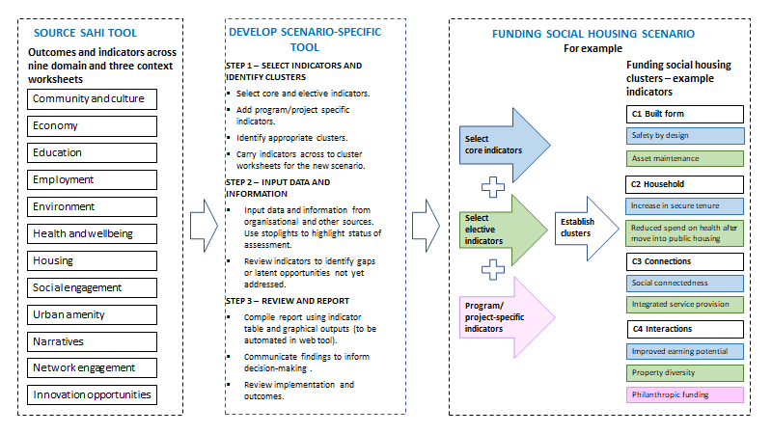
SCENARIO-SPECIFIC TOOLS – PROTOTYPE 1 – FUNDING SOCIAL HOUSING

Funding Dashboard
FUNDING SOCIAL HOUSING SCENARIO – QUANTITATIVE RETURNS |  |  |  | EXAMPLES ONLY
Cluster | CBA | SROI | WV
Built form | $1,872 | $0 | $3,188
Household | $0 | $0 | $0
Connections | $0 | $0 | $11,784
Interactions | $37,345 | $20,670 | $4,177
Notes:
CBA – $ return per person, per year
SROI – $ return per person, per year
WV – $ benefit per person, per year
SAHI Tool – Funding Social Housing Scenario $ ROI

Built form dashboard
BUILT FORM CLUSTER $ Return on Investment |  |  |  | EXAMPLES ONLY
 | CBA | SROI | WV
Built form | $1,872 | $0 | $3,188
Notes:
CBA – $ return per person, per year
SROI – $ return per person, per year
WV – $ benefit per person, per year
Funding Social Housing Scenario Built Form Cluster $ ROI

Household dashboard
HOUSEHOLD CLUSTER $ Return on Investment |  |  |  | EXAMPLES ONLY
 | CBA | SROI | WV
Household | $7,862 | $27,904 | $22,304
Notes:
CBA – $ return per person, per year
SROI – $ return per person, per year
WV – $ benefit per person, per year
Funding Social Housing Scenario Household Cluster $ ROI

Connections dashboard
CONNECTIONS CLUSTER $ Return on Investment |  |  |  | EXAMPLES ONLY
 | CBA | SROI | WV
Connections | $0 | $0 | $11,784
Notes:
CBA – $ return per person, per year
SROI – $ return per person, per year
WV – $ benefit per person, per year
Funding Social Housing Scenario Connections Cluster $ ROI

Interactions Dashboard
INTERACTIONS CLUSTER $ Return on Investment |  |  |  | EXAMPLES ONLY
 | CBA | SROI | WV
Interactions | $37,345 | $20,670 | $4,177
Notes:
CBA – $ return per person, per year
SROI – $ return per person, per year
WV – $ benefit per person, per year
Funding Social Housing Scenario Interactions Cluster $ ROI

